Title
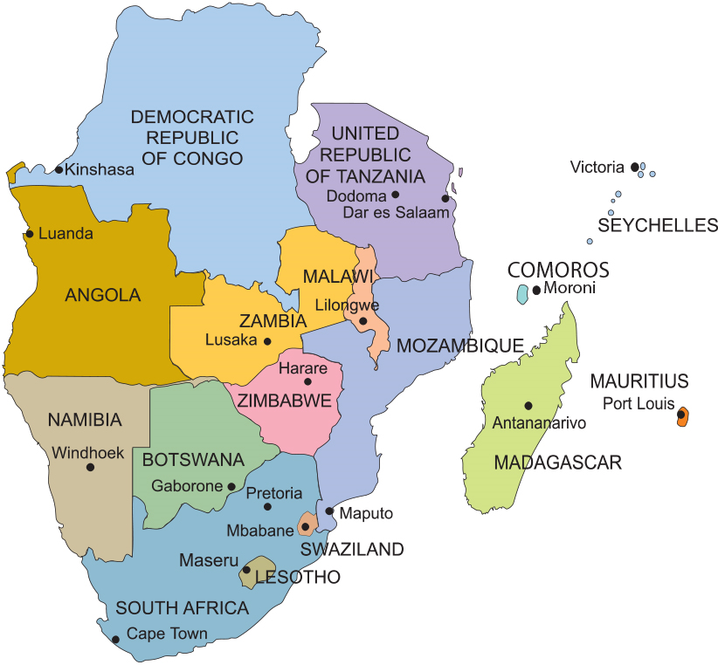
SADC Demographic and social statistics 2024

